4 - InnerJoin
Left Table |  |  | Right Table
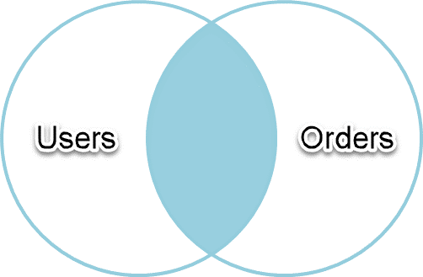
Users |  |  | Orders
ID | Name |  | ID | Item | UserID
1 | Dave |  | 1 | Pizza | 1
2 | Jennifer |  | 2 | soda | 1
3 | Ben |  | 3 | french fries | 1
4 | Tara |  | 4 | french fries | 2
5 | Justin |  | 5 | burger | 4
6 | Praveen |  | 6 | soda | 4
 |  |  | 7 | Pizza | 5
 |  |  | 8 | burger | 99

U.ID | U.Name | O.ID | O.Item | O.UserID
1 | Dave | 1 | Pizza | 1
1 | Dave | 2 | soda | 1
1 | Dave | 3 | french fries | 1
USE Test;
SELECT
U.ID,
U.Name,
O.ID,
O.Item,
O.UserID
FROM users AS U
INNER JOIN orders AS O
ON U.id = O.UserID
2 | Jennifer | 4 | french fries | 2
4 | Tara | 5 | burger | 4
4 | Tara | 6 | soda | 4
5 | Justin | 7 | Pizza | 5

5 - LeftJoin
Left Table |  |  | Right Table

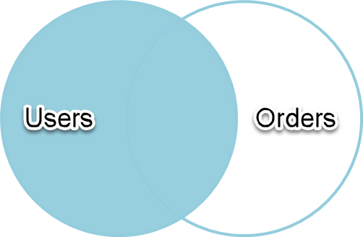
Users |  |  | Orders
ID | Name |  | ID | Item | UserID
1 | Dave |  | 1 | Pizza | 1
2 | Jennifer |  | 2 | soda | 1
3 | Ben |  | 3 | french fries | 1
4 | Tara |  | 4 | french fries | 2
5 | Justin |  | 5 | burger | 4
6 | Praveen |  | 6 | soda | 4
 |  |  | 7 | Pizza | 5
 |  |  | 8 | burger | 99

U.ID | U.Name | O.ID | O.Item | O.UserID
1 | Dave | 1 | Pizza | 1
1 | Dave | 2 | soda | 1
1 | Dave | 3 | french fries | 1
2 | Jennifer | 4 | french fries | 2
3 | Ben | NULL | NULL | NULL
USE Test;
SELECT
U.ID,
U.Name,
O.ID,
O.Item,
O.UserID
FROM users AS U
LEFT OUTER JOIN orders AS O
ON U.id = O.userid
4 | Tara | 5 | burger | 4
4 | Tara | 6 | soda | 4
5 | Justin | 7 | Pizza | 5
6 | Praveen | NULL | NULL | NULL

6 - RightJoin
Left Table |  |  | Right Table
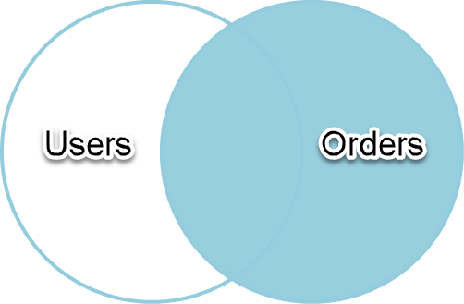
Users |  |  | Orders
ID | Name |  | ID | Item | UserID
1 | Dave |  | 1 | Pizza | 1
2 | Jennifer |  | 2 | soda | 1
3 | Ben |  | 3 | french fries | 1
4 | Tara |  | 4 | french fries | 2
5 | Justin |  | 5 | burger | 4
6 | Praveen |  | 6 | soda | 4
 |  |  | 7 | Pizza | 5
 |  |  | 8 | burger | 99

U.ID | U.Name | O.ID | O.Item | O.UserID
1 | Dave | 1 | Pizza | 1
1 | Dave | 2 | soda | 1
1 | Dave | 3 | french fries | 1
2 | Jennifer | 4 | french fries | 2
USE Test;
SELECT
U.ID,
U.Name,
O.ID,
O.Item,
O.UserID
FROM users AS U
RIGHT OUTER JOIN orders AS O
ON U.id = O.userid
4 | Tara | 5 | burger | 4
4 | Tara | 6 | soda | 4
5 | Justin | 7 | Pizza | 5
NULL | NULL | 8 | burger | 99

7 - FullOuterJoin
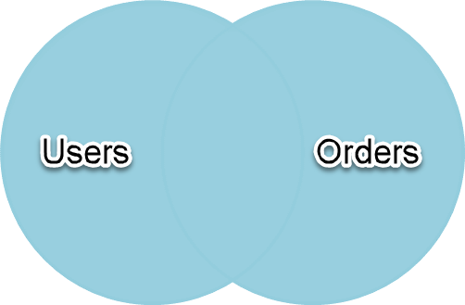
Left Table |  |  | Right Table

Users |  |  | Orders
ID | Name |  | ID | Item | UserID
1 | Dave |  | 1 | Pizza | 1
2 | Jennifer |  | 2 | soda | 1
3 | Ben |  | 3 | french fries | 1
4 | Tara |  | 4 | french fries | 2
5 | Justin |  | 5 | burger | 4
6 | Praveen |  | 6 | soda | 4
 |  |  | 7 | Pizza | 5
 |  |  | 8 | burger | 99

U.ID | U.Name | O.ID | O.Item | O.UserID
1 | Dave | 1 | Pizza | 1
1 | Dave | 2 | soda | 1
1 | Dave | 3 | french fries | 1
2 | Jennifer | 4 | french fries | 2
3 | Ben | NULL | NULL | NULL
4 | Tara | 5 | burger | 4
USE Test;
SELECT
U.ID,
U.Name,
O.ID,
O.Item,
O.UserID
FROM users AS U
FULL OUTER JOIN orders AS O
ON U.id = O.UserID
4 | Tara | 6 | soda | 4
5 | Justin | 7 | Pizza | 5
6 | Praveen | NULL | NULL | NULL
NULL | NULL | 8 | burger | 99

8LeftJoin Orders.userID IS NULL
USE Test;
SELECT
U.ID,
U.Name,
O.ID,
O.Item,
O.UserID
FROM users AS U
LEFT JOIN orders AS O ON U.id = O.userid
WHERE O.userid IS NOT NULL
Left Table |  |  | Right Table

Users |  |  | Orders
ID | Name |  | ID | Item | UserID
1 | Dave |  | 1 | Pizza | 1
2 | Jennifer |  | 2 | soda | 1
3 | Ben |  | 3 | french fries | 1
4 | Tara |  | 4 | french fries | 2
5 | Justin |  | 5 | burger | 4
6 | Praveen |  | 6 | soda | 4
 |  |  | 7 | Pizza | 5
 |  |  | 8 | burger | 99

BEFORE WHERE Clause applied |  |  |  |  |  | AFTER WHERE Clause applied
U.ID | U.Name | O.ID | O.Item | O.UserID |  | U.ID | U.Name | O.ID | O.Item | O.UserID
1 | Dave | 1 | Pizza | 1 |  | 1 | Dave | 1 | Pizza | 1
1 | Dave | 2 | soda | 1 |  | 1 | Dave | 2 | soda | 1
1 | Dave | 3 | french fries | 1 |  | 1 | Dave | 3 | french fries | 1
2 | Jennifer | 4 | french fries | 2 |  | 2 | Jennifer | 4 | french fries | 2
3 | Ben | NULL | NULL | NULL |  | 4 | Tara | 5 | burger | 4
4 | Tara | 5 | burger | 4 |  | 4 | Tara | 6 | soda | 4
4 | Tara | 6 | soda | 4 |  | 5 | Justin | 7 | Pizza | 5
5 | Justin | 7 | Pizza | 5
6 | Praveen | NULL | NULL | NULL |  | Records removed by the WHERE Clause
 |  |  |  |  |  | U.ID | U.Name | O.ID | O.Item | O.UserID
 |  |  |  |  |  | 3 | Ben | NULL | NULL | NULL
 |  |  |  |  |  | 6 | Praveen | NULL | NULL | NULL

Users not placed an order
USE Test;
SELECT
U.ID,
U.Name,
O.ID,
O.Item,
O.UserID
FROM users AS U
LEFT JOIN orders AS O ON U.id = O.userid
WHERE O.userid IS NULL
Left Table |  |  | Right Table

Users |  |  | Orders
ID | Name |  | ID | Item | UserID
1 | Dave |  | 1 | Pizza | 1
2 | Jennifer |  | 2 | soda | 1
3 | Ben |  | 3 | french fries | 1
4 | Tara |  | 4 | french fries | 2
5 | Justin |  | 5 | burger | 4
6 | Praveen |  | 6 | soda | 4
 |  |  | 7 | Pizza | 5
 |  |  | 8 | burger | 99

BEFORE WHERE Clause applied |  |  |  |  |  | AFTER WHERE Clause applied
U.ID | U.Name | O.ID | O.Item | O.UserID |  | U.ID | U.Name | O.ID | O.Item | O.UserID
1 | Dave | 1 | Pizza | 1 |  | 3 | Ben | NULL | NULL | NULL
1 | Dave | 2 | soda | 1 |  | 6 | Praveen | NULL | NULL | NULL
1 | Dave | 3 | french fries | 1
2 | Jennifer | 4 | french fries | 2 |  | Records removed by the WHERE Clause
3 | Ben | NULL | NULL | NULL |  | U.ID | U.Name | O.ID | O.Item | O.UserID
4 | Tara | 5 | burger | 4 |  | 1 | Dave | 1 | Pizza | 1
4 | Tara | 6 | soda | 4 |  | 1 | Dave | 2 | soda | 1
5 | Justin | 7 | Pizza | 5 |  | 1 | Dave | 3 | french fries | 1
6 | Praveen | NULL | NULL | NULL |  | 2 | Jennifer | 4 | french fries | 2
 |  |  |  |  |  | 4 | Tara | 5 | burger | 4
 |  |  |  |  |  | 4 | Tara | 6 | soda | 4
 |  |  |  |  |  | 5 | Justin | 7 | Pizza | 5

